Problem1
Problem 1 a) |  |  |  |  |  |  | Problem 1 b) |  |  |  |  |  |  | Warehouse cost($) | -100000 |  | Problem 1 c) |  |  |  |  |  |  | Warehouse cost($) | -100000
 |  |  |  |  |  |  |  |  |  |  |  |  |  | Warehouse life(yrs) | 35 |  |  |  |  |  |  |  |  | Warehouse life(yrs) | 35
 |  |  |  |  |  |  |  |  |  |  |  |  |  | Salvage Value($) | 25000 |  |  |  |  |  |  |  |  | Salvage Value($) | 25000
 |  |  |  |  |  |  |  |  |  |  |  |  |  | Annual Reciepts($/yr) | 17000 |  |  |  |  |  |  |  |  | Annual Reciepts($/yr) | 17000
 |  |  |  | NPV | Equation Used | year | Reciepts | maint costs | taxes |  |  |  |  | Facility Costs + Taxes($/yr) | -6000 | year | Reciepts | maint costs | taxes |  |  |  |  | Facility Costs + Taxes($/yr) | -6000
 | Warehouse cost($) | -100000 |  | -100000 | no equation | 1 | 0 | 0 | -2000 |  |  |  |  | Interest Rate | 6% | 1 | 0 | 0 | -2000 |  |  |  |  | Interest Rate | 6%
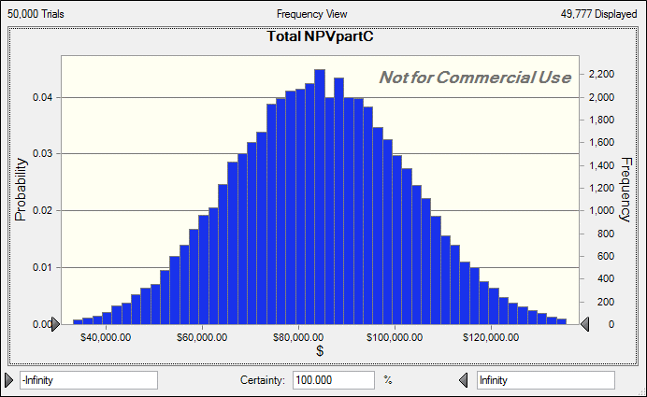
 | Warehouse life(yrs) | 35 |  |  |  | 2 | 0 | 0 | -2000 |  |  |  |  |  |  | 2 | 0 | 0 | -2000
 | Salvage Value($) | 25000 |  | 3252.6304575 | C8/((1+0.06)^35) | 3 | 0 | 0 | -2000 |  |  |  |  |  |  | 3 | 0 | 0 | -2000
 | Annual Reciepts($/yr) | 17000 |  | 246470.18815 | C9*((((1+0.06)^35)-1)/(0.06*((1+0.06)^35))) | 4 | 0 | 0 | -2000 |  |  |  |  |  |  | 4 | 0 | 0 | -2000
 | Facility Costs + Taxes($/yr) | -6000 |  | -86989.47817 | C10*((((1+0.06)^35)-1)/(0.06*((1+0.06)^35))) | 5 | 0 | 0 | -2000 |  |  |  |  |  |  | 5 | 0 | 0 | -2000
 | Interest Rate | 6% |  |  |  | 6 | 0 | 0 | -2000 |  |  |  |  |  |  | 6 | 0 | 0 | -2000
 |  |  | Total | 62733.340436 | SUM(E6:E10) | 7 | 0 | 0 | -2000 |  |  |  |  |  |  | 7 | 0 | 0 | -2000
 |  |  |  |  |  | 8 | 0 | 0 | -2000 |  |  |  |  |  |  | 8 | 0 | 0 | -2000
In order to find the NET Present Worth algebraically we had to sum the net present worth of 35 years for multiple variables. Because of this a net present worth equation was used: "Uniform Series Present Worth" (P/A,i%,n) where the net present worth of an annual cost = A[(1+i)^n -1]/[i(1+i)^n]. where n is number of years, i the annual interest rate, and A the annual payment |  |  |  |  |  | 9 | 0 | 0 | -2000 |  |  |  |  |  |  | 9 | 0 | 0 | -2000
 |  |  |  |  |  | 10 | 0 | 0 | -2000 |  |  |  |  |  |  | 10 | 0 | 0 | -2000
 |  |  |  |  |  | 11 | 0 | 0 | -2000 |  |  |  |  |  |  | 11 | 0 | 0 | -2000
 |  |  |  |  |  | 12 | 0 | 0 | -2000 |  |  |  |  |  |  | 12 | 0 | 0 | -2000
 |  |  |  |  |  | 13 | 0 | 0 | -2000 |  |  |  |  |  |  | 13 | 0 | 0 | -2000
 |  |  |  |  |  | 14 | 0 | 0 | -2000 |  |  |  |  |  |  | 14 | 0 | 0 | -2000
 |  |  |  |  |  | 15 | 0 | 0 | -2000 |  |  |  |  |  |  | 15 | 0 | 0 | -2000
The total was devised to be the sum of all the net present worths. Due to the fact that we had large annual recipets, we took incoming cash as being positive.It was found that the net present worth of investing in the warehouse is $62733.34. Worth it. |  |  |  |  |  | 16 | 0 | 0 | -2000 |  |  |  |  |  |  | 16 | 0 | 0 | -2000
 |  |  |  |  |  | 17 | 0 | 0 | -2000 |  |  |  |  |  |  | 17 | 0 | 0 | -2000
 |  |  |  |  |  | 18 | 0 | 0 | -2000 |  |  |  |  |  |  | 18 | 0 | 0 | -2000
 |  |  |  |  |  | 19 | 0 | 0 | -2000 |  |  |  |  |  |  | 19 | 0 | 0 | -2000
 |  |  |  |  |  | 20 | 0 | 0 | -2000 |  |  |  |  |  |  | 20 | 0 | 0 | -2000
 |  |  |  |  |  | 21 | 0 | 0 | -2000 |  |  |  |  |  |  | 21 | 0 | 0 | -2000
 |  |  |  |  |  | 22 | 0 | 0 | -2000 |  |  |  |  |  |  | 22 | 0 | 0 | -2000
 |  |  |  |  |  | 23 | 0 | 0 | -2000 |  |  |  |  |  |  | 23 | 0 | 0 | -2000
 |  |  |  |  |  | 24 | 0 | 0 | -2000 |  |  |  |  |  |  | 24 | 0 | 0 | -2000
 |  |  |  |  |  | 25 | 0 | 0 | -2000 |  |  | Avg NPV | $62,663.54 |  |  | 25 | 0 | 0 | -2000 |  |  | Avg NPV | $62,580.63
 |  |  |  |  |  | 26 | 0 | 0 | -2000 |  |  | Stdev | $14,176.11 |  |  | 26 | 0 | 0 | -2000 |  |  | Stdev | $16,828.46
 |  |  |  |  |  | 27 | 0 | 0 | -2000 |  |  |  |  |  |  | 27 | 0 | 0 | -2000
 |  |  |  |  |  | 28 | 0 | 0 | -2000 |  |  |  |  |  |  | 28 | 0 | 0 | -2000
 |  |  |  |  |  | 29 | 0 | 0 | -2000 |  |  |  |  |  |  | 29 | 0 | 0 | -2000
 |  |  |  |  |  | 30 | 0 | 0 | -2000 |  |  |  |  |  |  | 30 | 0 | 0 | -2000
 |  |  |  |  |  | 31 | 0 | 0 | -2000 |  |  |  |  |  |  | 31 | 0 | 0 | -2000
 |  |  |  |  |  | 32 | 0 | 0 | -2000 |  |  |  |  |  |  | 32 | 0 | 0 | -2000
 |  |  |  |  |  | 33 | 0 | 0 | -2000 |  |  |  |  |  |  | 33 | 0 | 0 | -2000
 |  |  |  |  |  | 34 | 0 | 0 | -2000 |  |  |  |  |  |  | 34 | 0 | 0 | -2000
 |  |  |  |  |  | 35 | 0 | 0 | -2000 | Total NPV | 0 |  |  |  |  | 35 | 0 | 0 | -2000 | Total NPV | 0
 |  |  |  |  |  |  | $0.00 | $0.00 | ($28,996.49) | ($128,996.49) |  |  |  |  |  |  | $0.00 | $0.00 | ($28,996.49) | ($128,996.49)

